Kinetic Assay
 | 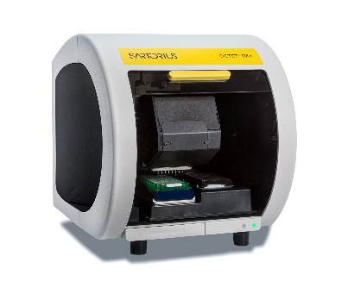 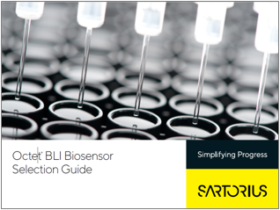
SARTORIUS OCTET® R8e DEMO FORM
User INFORMATION
Name
Email
PI/Group

Experiment Information | Highest Priority Experiment |  | Lower Priority Experiment
Experiment Name
Do you have BLI biosensors for this assay? If so, what type?
Expected affinity (KD value range)
What binding assays have you used to measure this interaction?
Assay Buffer (binding buffer)
What features of the Octet R8e are you hoping to test with this assay?
Samples | Capture Molecule (molecule immobilized on surface) | ANALYTE | Capture Molecule (molecule immobilized on surface) | ANALYTE
Sample Name
Sample Type (protein, DNA, RNA, small molecule)
MW
Is this sample biotinylated?
valency (how many binding sites)
Storage Buffer
Concentration and available amount
Purity level and method
Detergent compatibility
Is this a membrane protein?
Aggregation issues or concerns?

